Binomial tree
Bond (annual coupon payment)

Coupon rate | 1.75%
Face value | 100
Years | 3

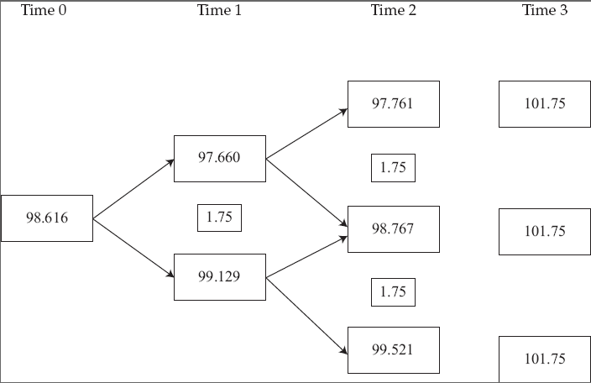
EXHIBIT 1
THREE-YEAR BINOMIAL INTEREST RATE TREE
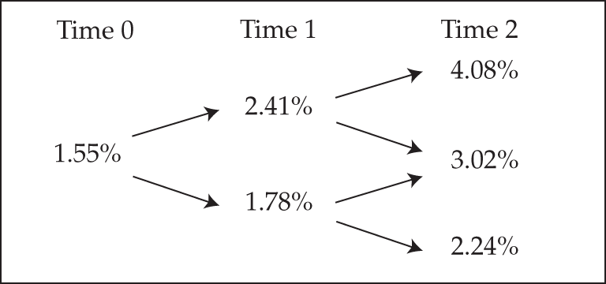

At Time 3, the cash flows are $101.75 = $100 + $1.75.
Using backward induction, we next calculate the present value of the bond as for Time 2 for the three possible forward rates:
 | 101.75/1.0408 = 97.761
 | 101.75/1.0302 = 98.767
 | 101.75/1.0224 = 99.521
Working back to Time 1 requires use of the general expression
value at any node=C + (0.5 × VH + 0.5 × VL)/(1+i)
If the forward rate is 2.41%:
 | 1.75 + (0.5 × 97.761 + 0.5 × 98.767)/1.0241 = 97.660
If the forward rate is 1.78%:
 | 1.75 + (0.5 × 98.767 + 0.5 × 99.521)/1.0178 = 99.129
Working back to Time 0:
 | 1.75 + (0.5 × 97.660 + 0.5 × 99.129)/1.0155 = 98.616

YTM
Bond (semi-annual coupon payment)
YTM | 2.60% | p.a.
Coupon rate | 2.00%
Face value | 100
Years | 4
Price | $97.73

YTM | Price
0.00% | $1,160.00
0.25% | $1,149.16 | $10.84
0.50% | $1,138.44 | $10.72
0.75% | $1,127.83 | $10.60
1.00% | $1,117.34 | $10.49
1.25% | $1,106.97 | $10.37
1.50% | $1,096.71 | $10.26
1.75% | $1,086.56 | $10.15
2.00% | $1,076.52 | $10.04
2.25% | $1,066.59 | $9.93
2.50% | $1,056.76 | $9.82
2.75% | $1,047.04 | $9.72
3.00% | $1,037.43 | $9.61
3.25% | $1,027.92 | $9.51
3.50% | $1,018.51 | $9.41
3.75% | $1,009.21 | $9.31
4.00% | $1,000.00 | $9.21
4.25% | $990.89 | $9.11
4.50% | $981.88 | $9.01
4.75% | $972.97 | $8.91
5.00% | $964.15 | $8.82
5.25% | $955.42 | $8.72
5.50% | $946.79 | $8.63
5.75% | $938.25 | $8.54
6.00% | $929.80 | $8.45
6.25% | $921.44 | $8.36
6.50% | $913.17 | $8.27
6.75% | $904.99 | $8.18
7.00% | $896.89 | $8.10
7.25% | $888.88 | $8.01
7.50% | $880.95 | $7.93
7.75% | $873.11 | $7.84
8.00% | $865.35 | $7.76
8.25% | $857.66 | $7.68
8.50% | $850.06 | $7.60
8.75% | $842.54 | $7.52
9.00% | $835.10 | $7.44
9.25% | $827.74 | $7.36
9.50% | $820.45 | $7.29
9.75% | $813.24 | $7.21
10.00% | $806.10 | $7.14

